Hints
Hints

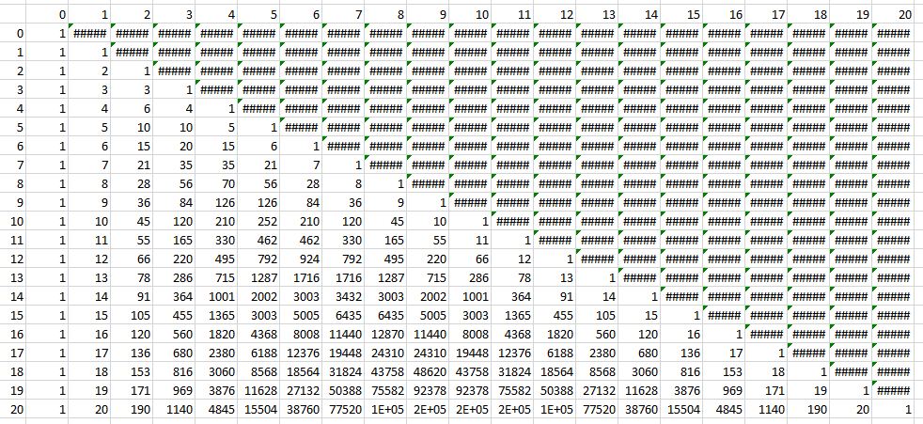
When you are finished, the triangle will look like this: | In B4, one of these formulas allows you to fill down and right:
 | =COMBIN(A$4,$B3)
 | =COMBIN(A$4,B$3)
 | =COMBIN($A4,$B3)
 | =COMBIN($A4,B$3)
 | =COMBIN($A$4,$B$3)
 | =COMBIN(A4,B3)

 | See if you can figure out which it is.

